PRD
Product Requirement Document (PRD) - Version: 1.0

Template Name |  | Money Transfer system using Blockchain
Goals & Objective |  | We all transfer money. The goal of this website is to provide a secure and efficient platform for individuals and businesses to transfer money using blockchain technology. From this website user/miner can : - Send & Receive money with low cost transaction fee - Can see transparent ledger where all activity of transaction is shown - Can see block information - Miners can mine blocks - Miners can verify blocks - User/Miners can update their profile information
Client Information
Product Type |  | Web Application
Domain |  | Web2
Access Layers |  | User, Miner
Design Required |  | Yes

Phase | Item No | Specification [Role] | Screen Definition | User Story | Acceptance Criteria | UI Screen / Wireframe | Tags
Feature: 1 |  | Landing Page
phase 1 | 1 | Home[user] | <Form> <input=name> <input=password> <input=re-password> <input=user-type> <button=signup> <link=signin> | View the main banner with app name Finance Tracker (static) Read the subtitle describing app purpose (static) Click Get Started button Logic: Redirect to Signup page] View features section [Static icons, titles, and descriptions about Budget Management, Reports, and Security] Scroll to About section to read app description Access footer links: Privacy Policy and Terms of Service | - Email (input) field should only accept valid unregistered email address as input, otherwise will show an 'email already used' message. - Password (input) should be minimum 8 characters long. Otherwise show an invalid message. - Re-password (input) should match password. Otherwise show 'password do not match' message. - User type must be selected. Otherwise show 'Please select a user type'. - On clicking signup button, credential will be stored in database, user will be redirected to his dashboard. - A copy of the login information will be sent to his email. |  | signup
phase 1 | 2 | Navigation menu |  |  | - Email must match database email - password must match database password - User go to dashboard (if email & password match with database) - User is promt with an error. "Email or password does not match!". (if email & password match with database) - clicking signup should take user to signup page - clicking forgot password should take him to forgot password page |  | signin
 | 3 | Features overview
 | 4 | About section
 |  | Dashboard |  | View Navigation Menu with links: Dashboard, Transactions, Categories, Reports, Logout Click Dashboard link View Total Balance widget View Monthly Expenses widget View Budget Status widget [Dynamic: Shows budget consumption status] View Recent Transactions list Click Logout button
phase 1 | 5 | Sign up/ login | <Form> <input=email> <input=password> <input=confirm Password> <button=submit> | Enter Email (input) Enter Password (input) Click Sign Up button Click Sign In link | - email must match DB email or promt "No email found!" - pressing send code will print a message "code sent!" and the code can be found at user info row. - enter new password [At least 8 characters long, atleast one special character] - re-type new password [it should match new password] - clicking submit button will show user -> "password changed" if all info match criteria or it'll indicate what's wrong |  | forgot_password

phase 1 | 4 | Menu [User] | Dashboard Send money Public Ledger Latest Blocks View Profile Edit Profile Change Profile Photo Change Password | - Dashboard(link) - Send money(link) - public ledger (link) - Latest Blocks (link) - View Profile(link) - Edit profile(link) - change profile photo(link) - change password(link) | - clicking dashboard will take user to dashboard page - go to send money page on click - go to public ledger on Click - go to Latest blocks page on click - go to view profile page on click - go to edit profile page on Click - go to change profile page on Click - go to change password page on Click | 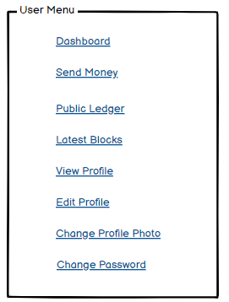 | Menu
phase 1 | 5 | Menu[Miner] | <Unordered list> Dashboard Send money Public Ledger Latest Blocks Mempool Mine block Verify blocks View Profile Edit Profile Change Profile Photo Change Password | - Dashboard(link) - Send money(link) - public ledger(link) - Latest blocks(link) - Mempool(link) - Mine Blocks(link) - Verify Blocks(link) - View Profile(link) - Edit profile(link) - change profile photo(link) - change password(link) | - clicking dashboard will take user to dashboard page - go to send money page on click - go to public ledger on Click - go to Latest blocks page on click - go to mempool page on click - go to mine blocks page on click - go to verify blocks page on click - go to view profile page on click - go to edit profile page on Click - go to change profile page on Click - go to change password page on Click | 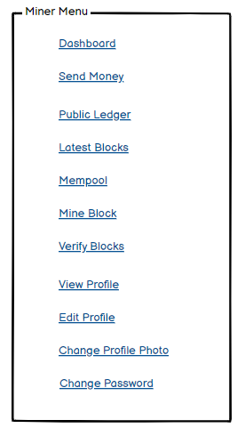
phase 1 | 6 | Dashboard [Miner] [User] | <table> Balance : 100.23 BTC View transaction history (link) Your public key Your private key Your bitcoin address | - Balance (text) - trx history(link) - public key (text) - private key(text) - bitcoin address(text) | 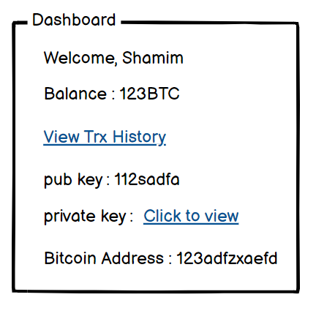 - show appropiate Balance ( should not be less than 0) - clicking trx history link will take user to trx history page - public key is shown - private key is only shown when clicked - bitcoin address is shown
Feature: 3 |  | Top bar and Bottom Bar
Feature: 4 |  | Send Money
Feature: 5 |  | Public Ledger
Feature: 6 |  | Block
Feature: 7 |  | Mempool
Feature: 8 |  | Mine Blocks
Feature: 9 |  | Verify Blocks
Feature: 10 |  | Profile
phase 1 | 15 | View Profile[miner][user] | <table> Name Email Phone Date of Birth gender user type edit | - Full name of user (view) - phone number of user (view) - date of birth of user (view) - gender of user (view) - user type (miner/user) - edit (link button) | 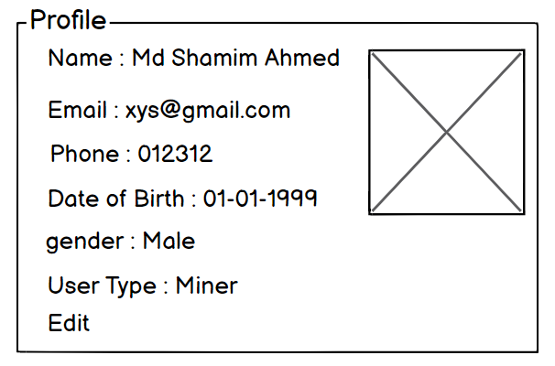 - No null values - Edit button should take user to edit page
phase 1 | 16 | Edit Profile[miner][user] | <table> <input = Name > <input = Email > <input = Phone > <date input = Date of Birth > <radio button = gender > <button = save > | - can edit name - can edit email - can edit phone - can edit date of birth - can edit gender - can click on save button | - No null values - email should be in correct format [xyz@abc.com] - phone number should be in correct format [11 digits] - date of birth should be in at least 15 years - clicking save button will either promt with an error if above rules do not meet or a promt notifying the user about successful change | 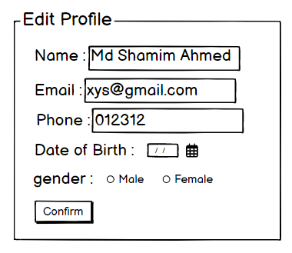
phase 1 | 17 | Change Profile Photo[miner][user] | <table> <current image> <input type="file"> <button = confirm> | - current image of user/miner is shown - user can choose new photo from device - after choosing new photo, user can confirm by pressing confirm button | - current image/ default image is shown - input file should be an image and not any other format [png,jpg format] - cofirm button should redirect user to view profile page | 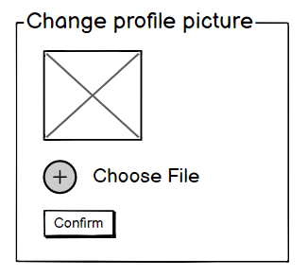
phase 1 | 18 | Change Password[miner][user] | <table> <input type="password"> current password <input type="password"> new password <input type="password"> confirm password <button=change> | - type current password - type new password - type new password again | - user can type current password [it should match database password] - Password (input) should be minimum 8 characters long. Otherwise show an invalid message. - Re-password (input) should match password. Otherwise show 'password do not match' message. - On clicking signup button, credential will be stored in database, user will be prompted with a message. [sucessfully changed / something went wrong] | 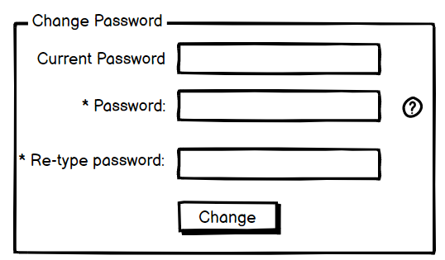
Feature: 11 |  | Transaction details
Feature: 12 |  | Block details
Feature: 13 |  | Notification
Feature: 14 |  | Fllowed User
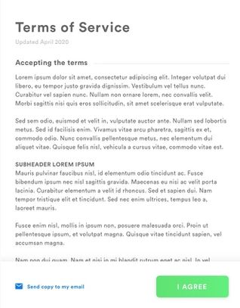
Feature: 15 |  | Legal Agreement Feature
Feature: 16 |  | Transaction History
Feature: 17 |  | About
Feature: 18 |  | Learning Portal
Feature: 19 |  | Deposit
Feature: 20 |  | FAQ
Feature: 21 |  | Currency Converstion
Feature: 22 |  | Request Bitcoin
Feature: 22 |  | Bill Payment
phase 3 | 33 | Bill Payment | <Form> <input=Amount> <input=Biller ID> <option=QR Scan?> <option=Prime Video?> <option=Netflix?> <option=Amazon?> <button=Deposit> <button=Recent> | -Enter Amount to pay -input biller ID -Scan QR -Select Billers options | -Type amount to be paid -amount (Input) should be numbers.Otherwise show invalid input. -input Biller Id -Select any option.otherwise show blank option. -amount will be deducted from user’s account balance and transaction history. | 